Table 1

Selected Acquisition Report (SAR)
RCS: DD-A&T(Q&A)823-474
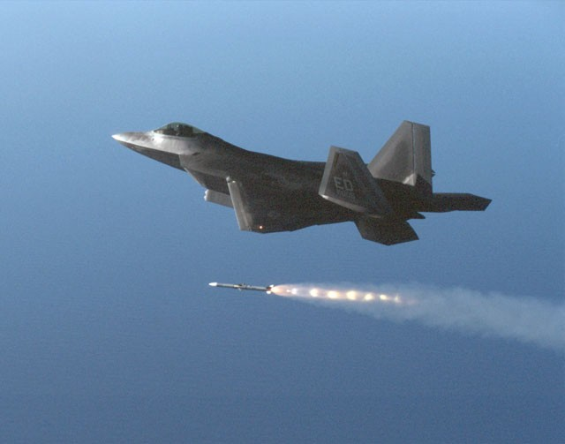
F-22 Increment 3.2B Modernization (F-22 Inc 3.2B Mod)
As of FY 2017 President's Budget
Defense Acquisition Management Information Retrieval
(DAMIR)

Table 23
Unit Cost History
Item |  |  |  |  | Date |  |  |  |  | BY 2013 $M |  |  |  |  |  | TY $M
 |  |  |  |  |  |  |  |  |  | PAUC |  |  | APUC |  |  | PAUC |  |  | APUC

Original APB |  |  | Jun 2013 |  |  |  |  |  |  | 10.116 |  |  |  | 2.365 |  |  | 10.422 |  |  | 2.635
APB as of January 2006 |  |  | N/A |  |  |  |  |  |  | N/A |  |  |  | N/A |  |  | N/A |  |  | N/A
Revised Original APB |  |  | N/A |  |  |  |  |  |  | N/A |  |  |  | N/A |  |  | N/A |  |  | N/A
Prior APB |  |  | N/A |  |  |  |  |  |  | N/A |  |  |  | N/A |  |  | N/A |  |  | N/A
Current APB |  |  | Jun 2013 |  |  |  |  |  |  | 10.116 |  |  |  | 2.365 |  |  | 10.422 |  |  | 2.635
Prior Annual SAR |  |  | Dec 2014 |  |  |  |  |  |  | 9.848 |  |  |  | 2.321 |  |  | 10.139 |  |  | 2.592
Current Estimate |  |  | Dec 2015 |  |  |  |  |  |  | 9.878 |  |  |  | 2.415 |  |  | 10.149 |  |  | 2.685
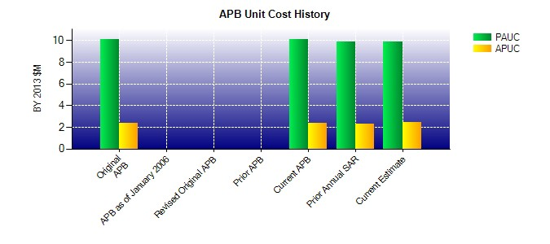
SAR Unit Cost History
Current SAR Baseline to Current Estimate (TY $M)
Initial PAUC Development Estimate | Changes |  |  |  |  |  |  |  |  |  |  |  |  |  |  |  |  | PAUC Current Estimate
 | Econ | Qty |  | Sch |  | Eng |  | Est |  |  | Oth | Spt |  |  | Total
10.422 -0.036 0.000 0.000 0.000 -0.232 0.000 -0.005 -0.273 10.149
Current SAR Baseline to Current Estimate (TY $M)
Initial APUC Development Estimate | Changes |  |  |  |  |  |  |  |  |  |  |  |  |  |  |  |  | APUC Current Estimate
 | Econ | Qty |  | Sch |  |  | Eng |  | Est |  | Oth | Spt |  |  | Total
2.635 -0.010 0.000 0.000 0.000 0.066 0.000 -0.005 0.051 2.685

